Placement
 |  |  | SJ-Pacific-C01-PD01
Field Type | Field Name | SJ-Meridian-C01-PP01 | SJ-Pacific-C01-PD01 | SJ-Pacific-C01-PD02 | SJ-Pacific-C01-PD03 | SJ-Pacific-C01-PD04 | SJ-Keystone-C01-PP01
Load Requested | kW Requested | 450 | 1560 | 1560 | 1560 | 1560 | 1395
Allocated ITLoad | kW Placed | 450 | 1560 | 1560 | 1560 | 1560 | 1395
Rack Requested | Rack Requested | 36 | 52 | 52 | 52 | 52 | 24
Rack Count | Rack Placed | 36 | 52 | 52 | 52 | 52 | 24
Cooling Mode | Cooling Mode | Air, RDHx | Air, DTC | Air, DTC | Air, DTC | Air, DTC | Air, DTC
Power Redundancy | Power Reduncancy | N | 2N | 2N | 2N | 2N | 2N
Rack Role1 | Role | Compute | Compute | Compute | Compute | Compute | Compute
Compute.Target kW | Target kW | 15 | 30 | 30 | 30 | 30 | 60
Compute.Count | Count | 18 | 52 | 52 | 52 | 52 | 23
Compute.Placed | Placed | 18 | 52 | 52 | 52 | 52 | 23
Compute.Cooling | Cooling | Air, RDHx | Air, DTC | Air, DTC | Air, DTC | Air, DTC | Air, DTC
Compute.Pleacement | Placement | CC-R1R2 | CC-R3 | CC-R3 | CC-R3 | CC-R3 | CC-R5E
Rack Role2 | Role | Compute |  |  |  |  | Storage
Storage.Target kW | Target kW | 10 |  |  |  |  | 15
Storage.Count | Count | 18 |  |  |  |  | 1
Storage.Placed | Placed | 18 |  |  |  |  | 1
Storage.Cooling | Cooling | Air, RDHx |  |  |  |  | Air, DTC
Storage.Pleacement | Placement | CC-R1R2 |  |  |  |  | CC-R5E

Capacity Cell1 | Capacity Cells | CC-R1R2 | CC-R3 | CC-R3 | CC-R3 | CC-R3
Capacity Cell.kW guaranteed | kW guaranteed | 920 | 3680 | 3680 | 3680 | 3680 | 1770
Capacity Cell.Rack Positions | Rack Positions | 48 | 144 | 144 | 144 | 144 | 24
Capacity Cell.Rack Count | Rack Count | 36 | 52 | 52 | 52 | 52 | 24
Capacity Cell.Allocated ITLoad | Allocated ITLoad | 450 | 1560 | 1560 | 1560 | 1560 | 1395
Capacity Cell.Power Load | Power Load | 450 | 1560 | 1560 | 1560 | 1560 | 1395
Capacity Cell.Power Capacity | Power Capacity | 920 | 3680 | 3680 | 3680 | 3680 | 1840
Capacity Cell.Thermal Load | Thermal Load | 450 | 1560 | 1560 | 1560 | 1560 | 1395
Capacity Cell.Cooling Capacity | Cooling Capacity | 940 | 3840 | 3840 | 3840 | 3840 | 1770

Capacity Cell.Power Infrastructure nodes | Power | RPP-R1-1, RPP-R1-2, RPP-R2-1, RPP-R2-2 | RPP-R3-A1, RPP-R3-A2, RPP-R3-A3, RPP-R3-A4, RPP-R3-B1, RPP-R3-B2, RPP-R3-B3, RPP-R3-B4 | RPP-R3-A1, RPP-R3-A2, RPP-R3-A3, RPP-R3-A4, RPP-R3-B1, RPP-R3-B2, RPP-R3-B3, RPP-R3-B4 | RPP-R3-A1, RPP-R3-A2, RPP-R3-A3, RPP-R3-A4, RPP-R3-B1, RPP-R3-B2, RPP-R3-B3, RPP-R3-B4 | RPP-R3-A1, RPP-R3-A2, RPP-R3-A3, RPP-R3-A4, RPP-R3-B1, RPP-R3-B2, RPP-R3-B3, RPP-R3-B4 | RPP-R5-A3, RPP-R5-A4, RPP-R5-B3, RPP-R5-B4
Capacity Cell.Cooling Infrastructure nodes | Cooling | AIRZONE-R1, AIRZONE-R2, LL-R1, LL-R2 | AIRZONE-R3-E1, AIRZONE-R3-E2, AIRZONE-R3-W1, AIRZONE-R3-W2, LL-R3-E, LL-R3-W | AIRZONE-R3-E1, AIRZONE-R3-E2, AIRZONE-R3-W1, AIRZONE-R3-W2, LL-R3-E, LL-R3-W | AIRZONE-R3-E1, AIRZONE-R3-E2, AIRZONE-R3-W1, AIRZONE-R3-W2, LL-R3-E, LL-R3-W | AIRZONE-R3-E1, AIRZONE-R3-E2, AIRZONE-R3-W1, AIRZONE-R3-W2, LL-R3-E, LL-R3-W | AIRZONE-R5-E, LL-R5-E

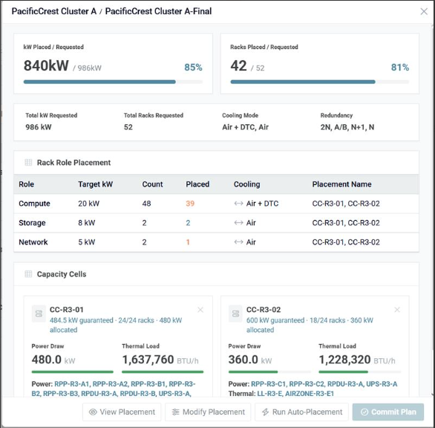

 |  |  |  |  |  | Chagne this to Power Redundancy

 |  |  |  |  |  | "Placement"

 |  |  |  |  |  | Change this to two numbers: Thermal Load/ Cooling Capacity (kW)

 |  |  |  |  | Change this to two numbers: Power Load/ Power Capacity

 |  |  |  | Change from "Thermal" to "Cooling"

